Sheet1
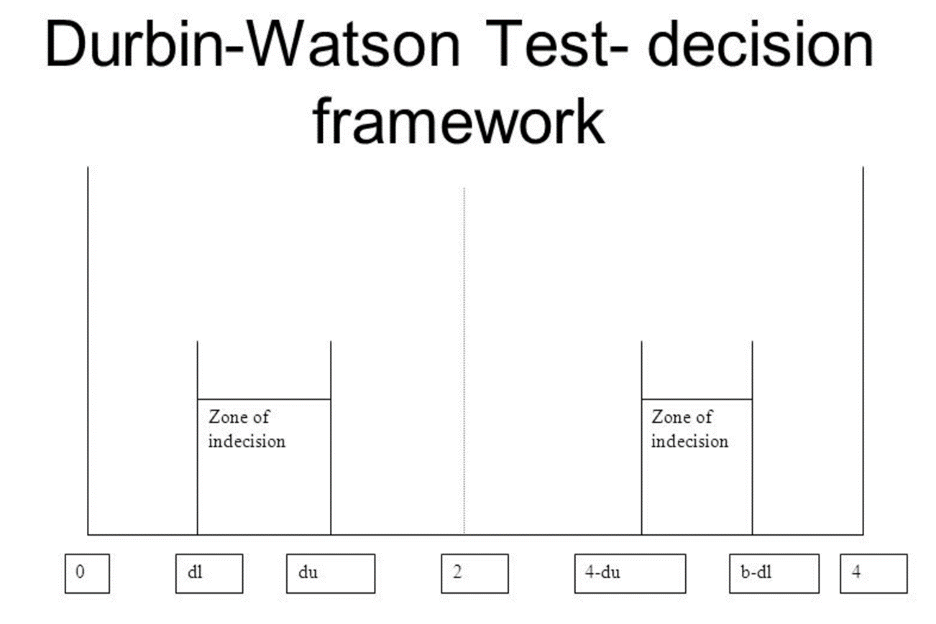
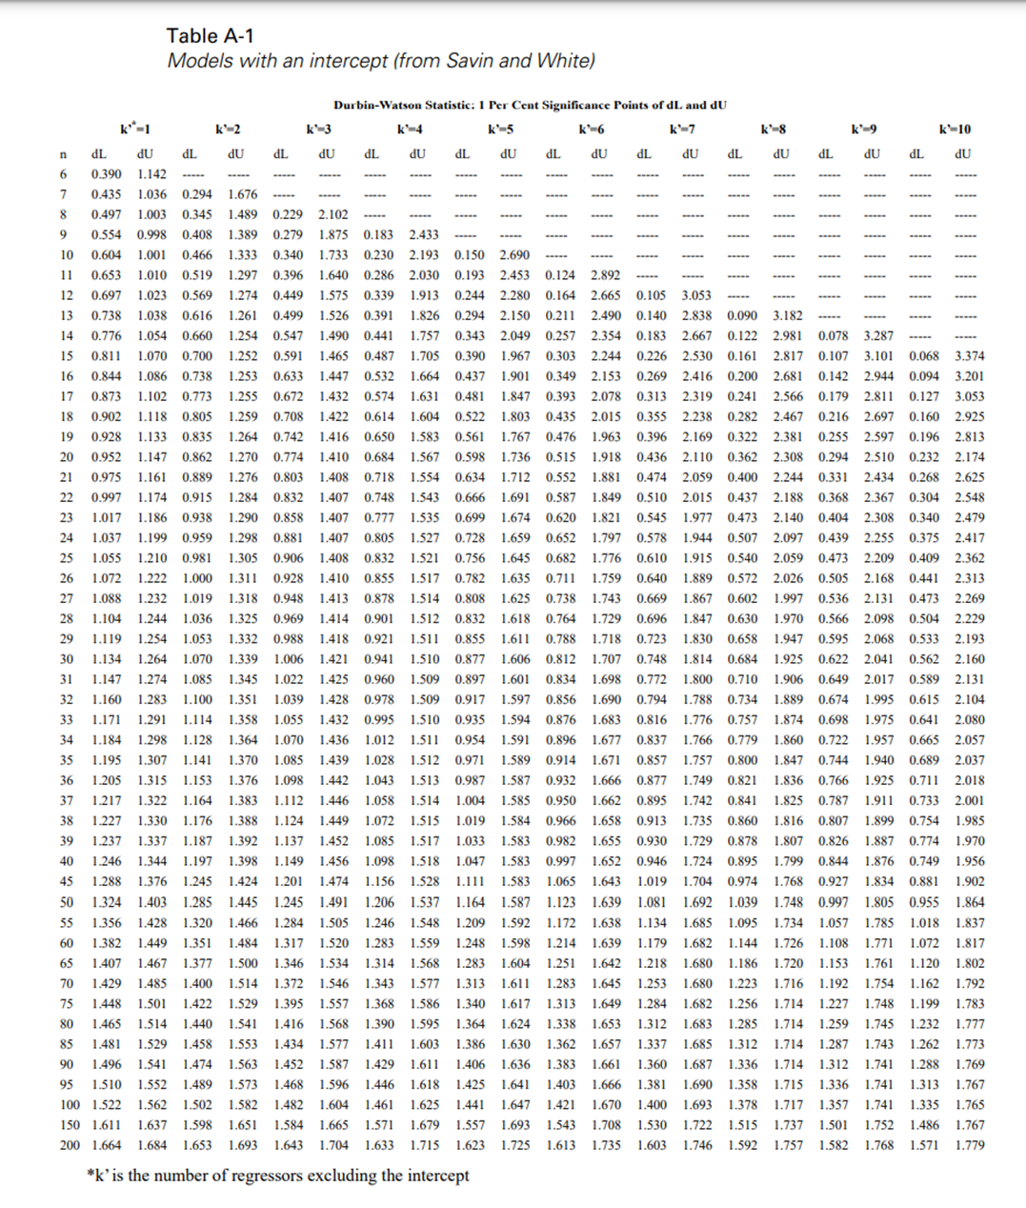
Skill Stat Passing Criteria
VIF | < | 10 | Pass | Prefer ~1.0
Durbin Watson | Not Within | Zone of Indecision | Pass | See Table A-1 and Framework Below to Calculate Zones of Indecision
Sign Test P | > | 0.1 | Pass

Durbin Watson Frameworks
n (# obs) | k (# regressors) | dL | dU | 4-dU | 4-dL
74 | 1 | 1.448 | 1.529 | 2.471 | 2.552
65 | 1 | 1.407 | 1.467 | 2.533 | 2.593
57 | 2 | 1.32 | 1.466 | 2.534 | 2.68
85 | 1 | 1.481 | 1.529 | 2.471 | 2.519
85 | 2 | 1.458 | 1.553 | 2.447 | 2.542
66 | 1 | 1.407 | 1.467 | 2.533 | 2.593

